Winter @ 0 deltaP
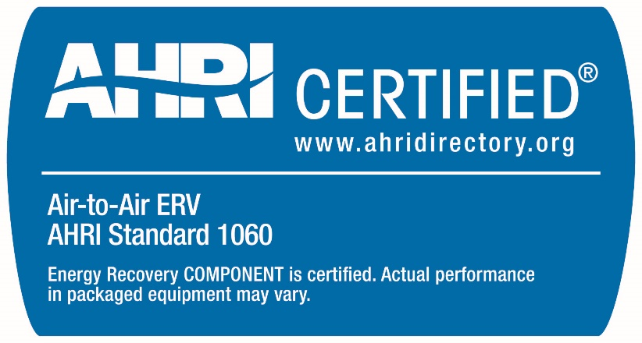
 | ERV Minimum Requirements Catalog Template - Standard 1060 (I-P)
 | General Information
 | Manufacturer's Name: | 0
 | Model Number: | 0
 | Catalog Name: | 0
 | Catalog Version: | 0
 | ERV TYPE | 0
 | Indoor Test Condition | 70° F DB /58°F WB |  |  |  |  | Yellow cells contain formulas and should not be overwritten.
 |  |  |  |  |  |  | Orange cells contain formulas and should not be overwritten.

 |  |  |  | Minimum Supply Flow Ratio (SFRmin) = |  | 0.00 | Supply Flow Ratio (SFR) = |  | 1.00 | Maximum Supply Flow Ratio (SFRmax) = |  | 0.00
 |  |  |  | Airflow Range (%) |  |  | Airflow Range (%) |  |  | Airflow Range (%)
 | STATIC PRESSURE DIFFERENTIAL | 0.00 | in.w.g. | Qmin | 50% | Qmax | Qmin | 50% | Qmax | Qmin | 50% | Qmax
 | Leaving Supply Airflow (Station 2) |  | scfm | 0 | 0 | 0 | 0 | 0 | 0 | 0 | 0 | 0
 | Entering Exhaust Airflow (Station 3) |  | scfm | #DIV/0! | #DIV/0! | #DIV/0! | 0 | 0 | 0 | #DIV/0! | #DIV/0! | #DIV/0!
(required) | Station 2 Dry Bulb Temp | °F | OA DB/WB
(required) | Station 2 Wet Bulb Temp | °F | 35/33
(required) | Sensible Effectiveness | %
(required) | Latent Effectiveness | %
(required) | EATR | %
(required) | OACF | ratio
(required) | Supply Pressure Drop | in.w.g.
(required) | Exhaust Pressure Drop | in.w.g.
(required) | Net Supply Airflow | scfm
(required) | Tilt Angle (Heat Pipe Heat Exchanger only) | °
(required) | Purge Angle (Rotary Heat Exchanger only) | °
(required) | Rotation Speed (Rotary Heat Exchanger only) | RPM
(optional) | Total Effectiveness | %
(optional) | Net Sensible Effectiveness | %
(optional) | Net Latent Effectiveness | %
(optional) | Net Total Effectiveness | %
(optional) | Enthalpy Recovery Ratio | %
(optional) | Station 4 Dry Bulb Temp | °F
(optional) | Station 4 Wet Bulb Temp | °F
(optional) | Entering Supply Airflow (Station 1) | scfm
(optional) | Leaving Exhaust Airflow (Station 4) | scfm
(required) | Station 2 Dry Bulb Temp | °F | OA DB/WB
(required) | Station 2 Wet Bulb Temp | °F | 35/33.9
(required) | Sensible Effectiveness | %
(required) | Latent Effectiveness | %
(required) | EATR | %
(required) | OACF | ratio
(required) | Supply Pressure Drop | in.w.g.
(required) | Exhaust Pressure Drop | in.w.g.
(required) | Net Supply Airflow | scfm
(required) | Tilt Angle (Heat Pipe Heat Exchanger only) | °
(required) | Purge Angle (Rotary Heat Exchanger only) | °
(required) | Rotation Speed (Rotary Heat Exchanger only) | RPM
(optional) | Total Effectiveness | %
(optional) | Net Sensible Effectiveness | %
(optional) | Net Latent Effectiveness | %
(optional) | Net Total Effectiveness | %
(optional) | Enthalpy Recovery Ratio | %
(optional) | Station 4 Dry Bulb Temp | °F
(optional) | Station 4 Wet Bulb Temp | °F
(optional) | Entering Supply Airflow (Station 1) | scfm
(optional) | Leaving Exhaust Airflow (Station 4) | scfm
(required) | Station 2 Dry Bulb Temp | °F | OA DB/WB
(required) | Station 2 Wet Bulb Temp | °F | 55/44.5
(required) | Sensible Effectiveness | %
(required) | Latent Effectiveness | %
(required) | EATR | %
(required) | OACF | ratio
(required) | Supply Pressure Drop | in.w.g.
(required) | Exhaust Pressure Drop | in.w.g.
(required) | Net Supply Airflow | scfm
(required) | Tilt Angle (Heat Pipe Heat Exchanger only) | °
(required) | Purge Angle (Rotary Heat Exchanger only) | °
(required) | Rotation Speed (Rotary Heat Exchanger only) | RPM
(optional) | Total Effectiveness | %
(optional) | Net Sensible Effectiveness | %
(optional) | Net Latent Effectiveness | %
(optional) | Net Total Effectiveness | %
(optional) | Enthalpy Recovery Ratio | %
(optional) | Station 4 Dry Bulb Temp | °F
(optional) | Station 4 Wet Bulb Temp | °F
(optional) | Entering Supply Airflow (Station 1) | scfm
(optional) | Leaving Exhaust Airflow (Station 4) | scfm
(required) | Station 2 Dry Bulb Temp | °F | OA DB/WB
(required) | Station 2 Wet Bulb Temp | °F | 55/40
(required) | Sensible Effectiveness | %
(required) | Latent Effectiveness | %
(required) | EATR | %
(required) | OACF | ratio
(required) | Supply Pressure Drop | in.w.g.
(required) | Exhaust Pressure Drop | in.w.g.
(required) | Net Supply Airflow | scfm
(required) | Tilt Angle (Heat Pipe Heat Exchanger only) | °
(required) | Purge Angle (Rotary Heat Exchanger only) | °
(required) | Rotation Speed (Rotary Heat Exchanger only) | RPM
(optional) | Total Effectiveness | %
(optional) | Net Sensible Effectiveness | %
(optional) | Net Latent Effectiveness | %
(optional) | Net Total Effectiveness | %
(optional) | Enthalpy Recovery Ratio | %
(optional) | Station 4 Dry Bulb Temp | °F
(optional) | Station 4 Wet Bulb Temp | °F
(optional) | Entering Supply Airflow (Station 1) | scfm
(optional) | Leaving Exhaust Airflow (Station 4) | scfm
(required) | Station 2 Dry Bulb Temp | °F | OA DB/WB
(required) | Station 2 Wet Bulb Temp | °F | 35/27.6
(required) | Sensible Effectiveness | %
(required) | Latent Effectiveness | %
(required) | EATR | %
(required) | OACF | ratio
(required) | Supply Pressure Drop | in.w.g.
(required) | Exhaust Pressure Drop | in.w.g.
(required) | Net Supply Airflow | scfm
(required) | Tilt Angle (Heat Pipe Heat Exchanger only) | °
(required) | Purge Angle (Rotary Heat Exchanger only) | °
(required) | Rotation Speed (Rotary Heat Exchanger only) | RPM
(optional) | Total Effectiveness | %
(optional) | Net Sensible Effectiveness | %
(optional) | Net Latent Effectiveness | %
(optional) | Net Total Effectiveness | %
(optional) | Enthalpy Recovery Ratio | %
(optional) | Station 4 Dry Bulb Temp | °F
(optional) | Station 4 Wet Bulb Temp | °F
(optional) | Entering Supply Airflow (Station 1) | scfm
(optional) | Leaving Exhaust Airflow (Station 4) | scfm
(required) | Station 2 Dry Bulb Temp | °F | OA DB/WB
(required) | Station 2 Wet Bulb Temp | °F | 50/47.0
(required) | Sensible Effectiveness | %
(required) | Latent Effectiveness | %
(required) | EATR | %
(required) | OACF | ratio
(required) | Supply Pressure Drop | in.w.g.
(required) | Exhaust Pressure Drop | in.w.g.
(required) | Net Supply Airflow | scfm
(required) | Tilt Angle (Heat Pipe Heat Exchanger only) | °
(required) | Purge Angle (Rotary Heat Exchanger only) | °
(required) | Rotation Speed (Rotary Heat Exchanger only) | RPM
(optional) | Total Effectiveness | %
(optional) | Net Sensible Effectiveness | %
(optional) | Net Latent Effectiveness | %
(optional) | Net Total Effectiveness | %
(optional) | Enthalpy Recovery Ratio | %
(optional) | Station 4 Dry Bulb Temp | °F
(optional) | Station 4 Wet Bulb Temp | °F
(optional) | Entering Supply Airflow (Station 1) | scfm
(optional) | Leaving Exhaust Airflow (Station 4) | scfm
(required) | Station 2 Dry Bulb Temp | °F | OA DB/WB
(required) | Station 2 Wet Bulb Temp | °F | 65/53.6
(required) | Sensible Effectiveness | %
(required) | Latent Effectiveness | %
(required) | EATR | %
(required) | OACF | ratio
(required) | Supply Pressure Drop | in.w.g.
(required) | Exhaust Pressure Drop | in.w.g.
(required) | Net Supply Airflow | scfm
(required) | Tilt Angle (Heat Pipe Heat Exchanger only) | °
(required) | Purge Angle (Rotary Heat Exchanger only) | °
(required) | Rotation Speed (Rotary Heat Exchanger only) | RPM
(optional) | Total Effectiveness | %
(optional) | Net Sensible Effectiveness | %
(optional) | Net Latent Effectiveness | %
(optional) | Net Total Effectiveness | %
(optional) | Enthalpy Recovery Ratio | %
(optional) | Station 4 Dry Bulb Temp | °F
(optional) | Station 4 Wet Bulb Temp | °F
(optional) | Entering Supply Airflow (Station 1) | scfm
(optional) | Leaving Exhaust Airflow (Station 4) | scfm
(required) | Station 2 Dry Bulb Temp | °F | OA DB/WB
(required) | Station 2 Wet Bulb Temp | °F | 65/47.0
(required) | Sensible Effectiveness | %
(required) | Latent Effectiveness | %
(required) | EATR | %
(required) | OACF | ratio
(required) | Supply Pressure Drop | in.w.g.
(required) | Exhaust Pressure Drop | in.w.g.
(required) | Net Supply Airflow | scfm
(required) | Tilt Angle (Heat Pipe Heat Exchanger only) | °
(required) | Purge Angle (Rotary Heat Exchanger only) | °
(required) | Rotation Speed (Rotary Heat Exchanger only) | RPM
(optional) | Total Effectiveness | %
(optional) | Net Sensible Effectiveness | %
(optional) | Net Latent Effectiveness | %
(optional) | Net Total Effectiveness | %
(optional) | Enthalpy Recovery Ratio | %
(optional) | Station 4 Dry Bulb Temp | °F
(optional) | Station 4 Wet Bulb Temp | °F
(optional) | Entering Supply Airflow (Station 1) | scfm
(optional) | Leaving Exhaust Airflow (Station 4) | scfm

User Notes
USER NOTES

User Note 0 | Participant must provide at a minimum tabs for "Winter" and "Summer" conditions, with individual tabs for ratings at dPmin, dP= 0.0, and dPmax. Participant may provide additional tabs following the same format for ratings at intermediate static pressure differentials.

User Note 1 | Minimum and Maximum Supply Flow Ratios: At a minimum, tables must be provided as shown in the template for at least SFRmin, SFR = 1.0, and SFRmax. Participant may provide additional tables for intermediate SFR values. All tables must provide ratings for at least (3) supply air flow rates ranging from Qmin to Qmax. Participant may add additional columns to provide ratings at more intermediate airflows.

User Note 2 | Airflow Ranges: The percentage values in row 13 automatically determine the airflows at which ratings are generated. Columns can be added to provide additional airflow rates. The percentage value(s) between Qmin and Qmax can be changed.
 | Where the SFR is not equal to 1.00, the user may choose to change the percentage value(s) between Qmin and Qmax in order to minimize the number of airflow columns in which "Not rated" occurs, as shown in the example below:

User Note 3 | Static Pressure Differential is defined as static pressure at the Leaving Supply Airflow outlet minus the static pressure at the Entering Exhaust Airflow Inlet.
$$Static Pressure Differential= {SP}_{2} − {SP}_{3}$$

User Note 4 | Calculations for Sensible and Latent Effectivesness can be found in Appendix C. of the AHRI Standard 1060: http://www.ahrinet.org/App_Content/ahri/files/STANDARDS/AHRI/AHRI_Standard_1060_I-P_2018.pdf
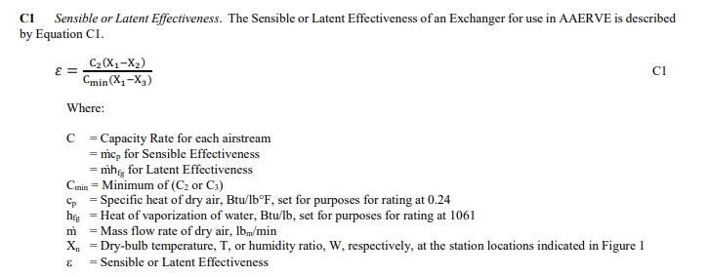

 | See Table 1 of AHRI Standard 1060 for Range of Standard Rating Conditions

